Titel
Müskens, Wolfgang & Kaiser, Aliki (2017)

MLI-K

Module Level Indicator
Short Version

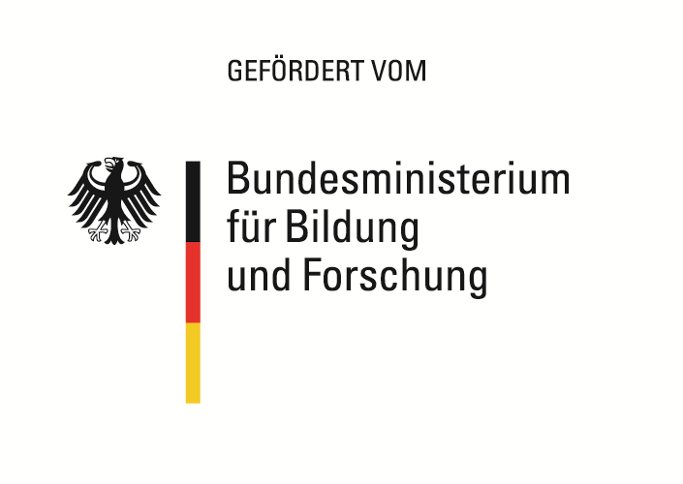
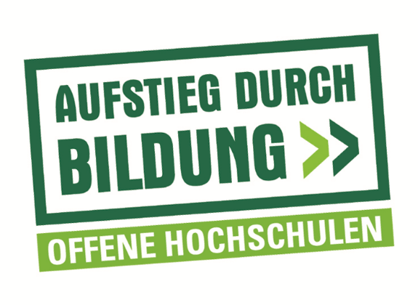

Das diesem Instrument zugrundeliegende Vorhaben wurde mit Mitteln des Bundesministeriums für
Bildung und Forschung unter dem Förderkennzeichen 16OH12044 gefördert. Die Verantwortung
für den Inhalt dieser Veröffentlichung liegt beim Autor/bei der Autorin.

Comparison
MLI-K

Comparison Module Level Indicator (MLI)
of the course of study and the vocational training

Course of study
Focus on application | 0.00
Focus on science | 0.00
Overall MLI score | 0.00

Vocational training
Focus on application | 0.00
Focus on science | 0.00
Overall MLI score | 0.00

Overall MLI score course of study | #DIV/0!
Overall MLI score vocational training | #DIV/0!
Difference | #DIV/0!

Result:
#DIV/0!

